Sheet1
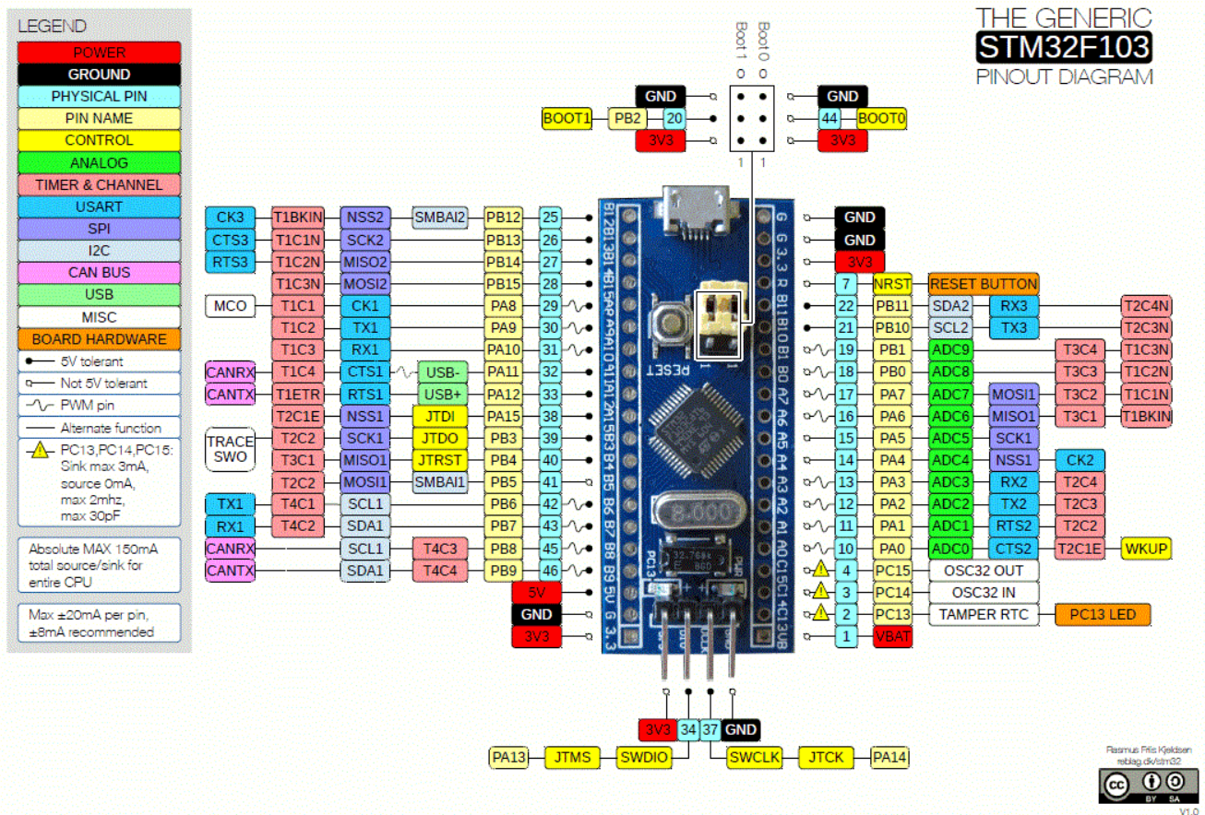
Physical Pin | Pin Name | Function | Description | MJ Notes
25 | PB12 | GPIO | Bluepill Heartbeat | Blinky LED so we know BP isn't blown
26 | PB13 | GPIO | Startup Switch | Turn on/off power to robot (15V peripheral and 15V motor lipo disconn)
27 | PB14 | GPIO | Reserved | Future use
28 | PB15 | GPIO | Rear Microswitch | Robot hitting zipline microswitch
29 | PA8 | PWM | Claw Servo
30 | PA9 | PWM | Arm Servo
31 | PA10 | PWM | Bridge Servo
32 | PA11 | GPIO | Encoder Left
33 | PA12 | GPIO | Encoder Right
38 | PA15 | GPIO | Sonar Mux B1 | MSB of input select on sonar 4mux
39 | PB3 | GPIO | Sonar Mux B2 | LSB of input select on sonar 4mux
40 | PB4 | GPIO | PID Mux B1 | MSB of input select on P, D pot 4mux
41 | PB5 | GPIO | PID Mux B2 | LSB of input select on P, D pot 4mux
42 | PB6 | PWM | Left Wheel Forward
43 | PB7 | PWM | Left Wheel Reverse
44 | PB8 | PWM | Right Wheel Forward
45 | PB9 | PWM | Right Wheel Reverse
22 | PB11 | GPIO | Front Microswitch | Robot hitting pedestal microswitch
21 | PB10 | GPIO | Claw Microswitch | Claw has closed around treasure
19 | PB1 | ADC | Reflectance Front Right | Tape following, edge detection
18 | PB0 | ADC | Reflectance Front Left | Tape following, edge detection
17 | PA7 | ADC | Reflectance Side Right | Edge detection
16 | PA6 | ADC | Reflectance Side Left | Edge detection
15 | PA5 | ADC | Infrared Phototransistor Right | IR beacon following
14 | PA4 | ADC | Infrared Phototransistor Right | IR beacon following
13 | PA3 | ADC | P, D Potentiometers | IR (P, D), Reflectance (P, D) - 4mux
12 | PA2 | ADC | Sonar Sensors (all) | Two front, two sides - 4mux
11 | PA1 | ADC | Hall Effect, Reflectance Rear | Hall Effect Sensor, Rear edge detection refelctance sensor - 2mux
10 | PA0 | ADC | Reserved | Future use
4 | PC15 | Not used | Can't source or sink current
3 | PC14 | Not used | Can't source or sink current
2 | PC13 | Not used | Can't source or sink current
1 | VBAT | Not used | Conn to 3.3V
Micro-USB | COM? | Serial | Telemetry during robot testing

